Sheet1
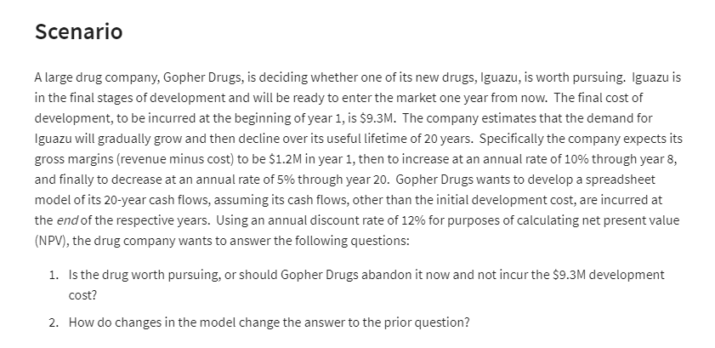
Gopher Drugs
 |  |  | Cashflow in 20 Years:
Development Cost: | 9.3 | Millions | Years | Gross Margin | .
Lifetime: | 20 Years |  | 1 | ₹ 1.20 | Millions
Gross Margin in 1 Year: | 1.2 | Millions | 2 | ₹ 1.32 | Millions
Rate of Increase: | 10% |  | 3 | ₹ 1.45 | Millions
Time period od increase: | 8 | Years | 4 | ₹ 1.60 | Millions
Rate of Decrease: | 5% |  | 5 | ₹ 1.76 | Millions
Discount Rate: | 12% |  | 6 | ₹ 1.93 | Millions
 |  |  | 7 | ₹ 2.13 | Millions
(Net) Present Value: | ₹ 15.76 |  | 8 | ₹ 2.34 | Millions
Net Present Value | ₹ 6.46 | Millions | 9 | ₹ 2.22 | Millions
 |  |  | 10 | ₹ 2.11 | Millions
 |  |  | 11 | ₹ 2.00 | Millions
 |  |  | 12 | ₹ 1.90 | Millions
 |  |  | 13 | ₹ 1.81 | Millions
 |  |  | 14 | ₹ 1.72 | Millions
 |  |  | 15 | ₹ 1.63 | Millions
 |  |  | 16 | ₹ 1.55 | Millions
 |  |  | 17 | ₹ 1.47 | Millions
 |  |  | 18 | ₹ 1.40 | Millions
 |  |  | 19 | ₹ 1.33 | Millions
 |  |  | 20 | ₹ 1.26 | Millions
 |  |  | Total: | ₹ 34.15

